IR DATA back camera raw analog
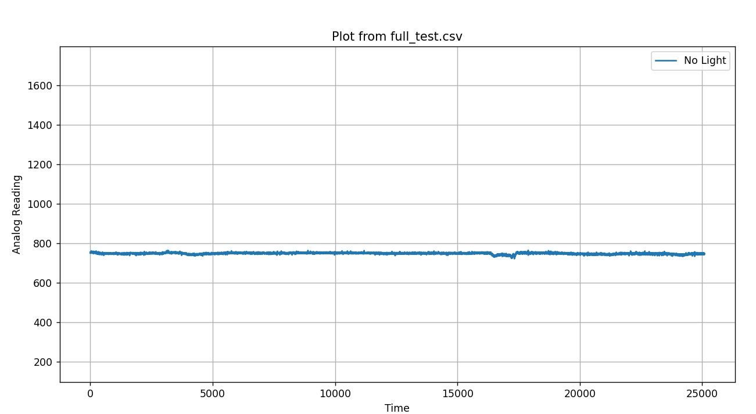
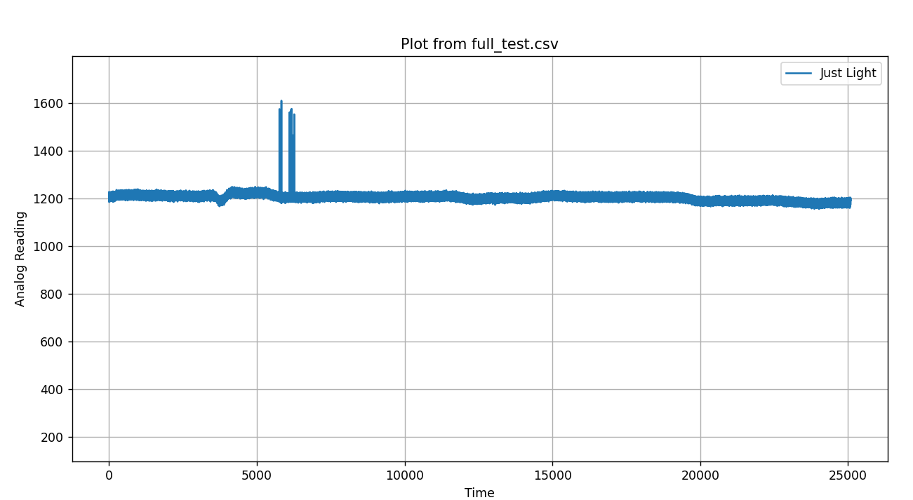
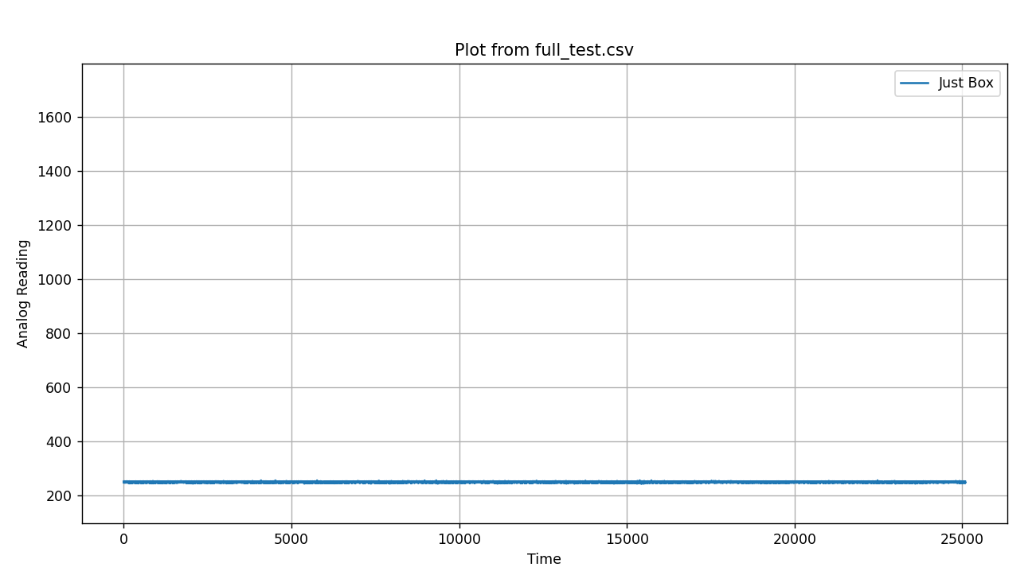

 | Controll values

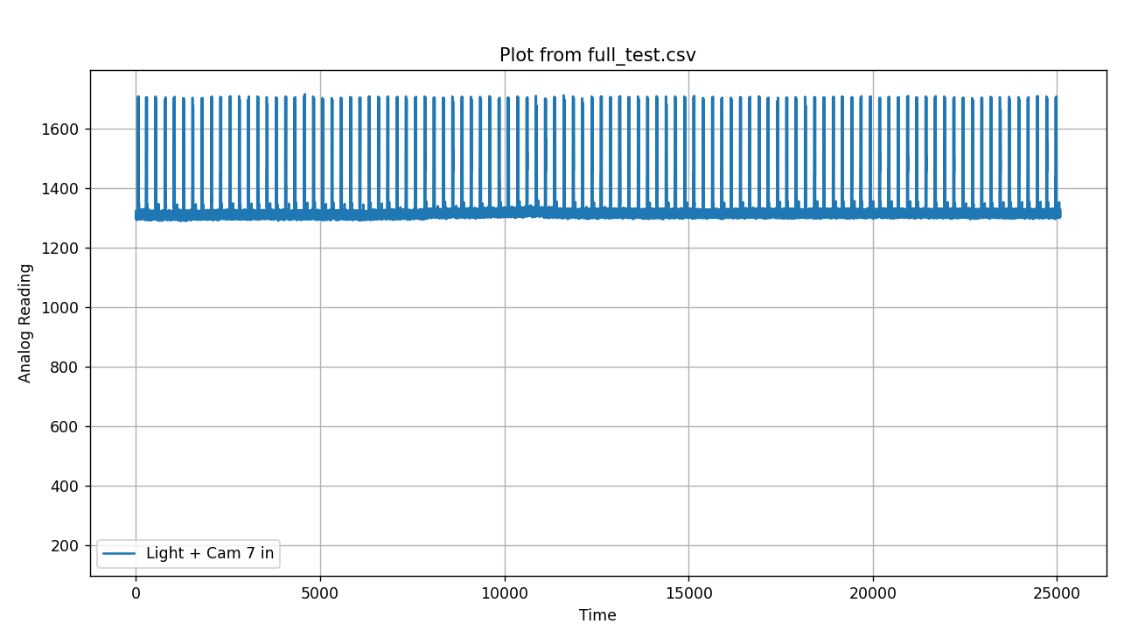
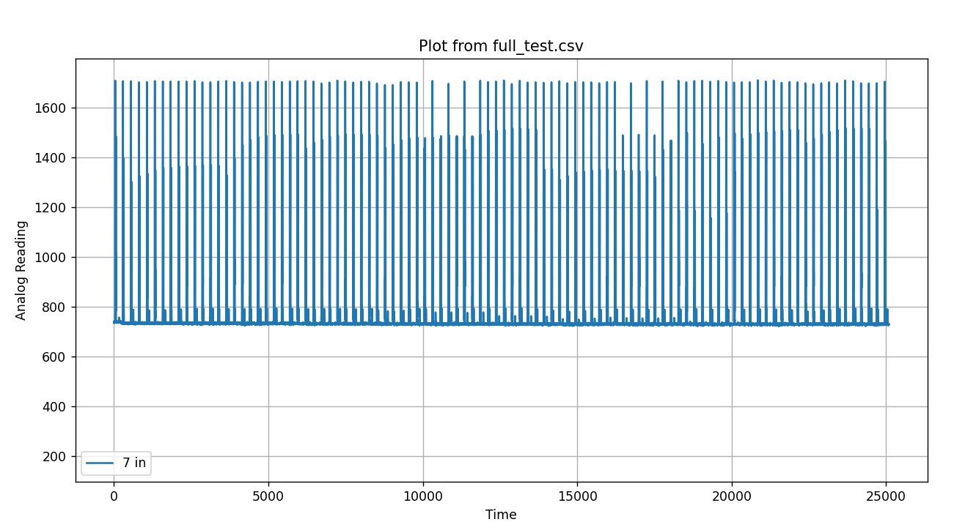
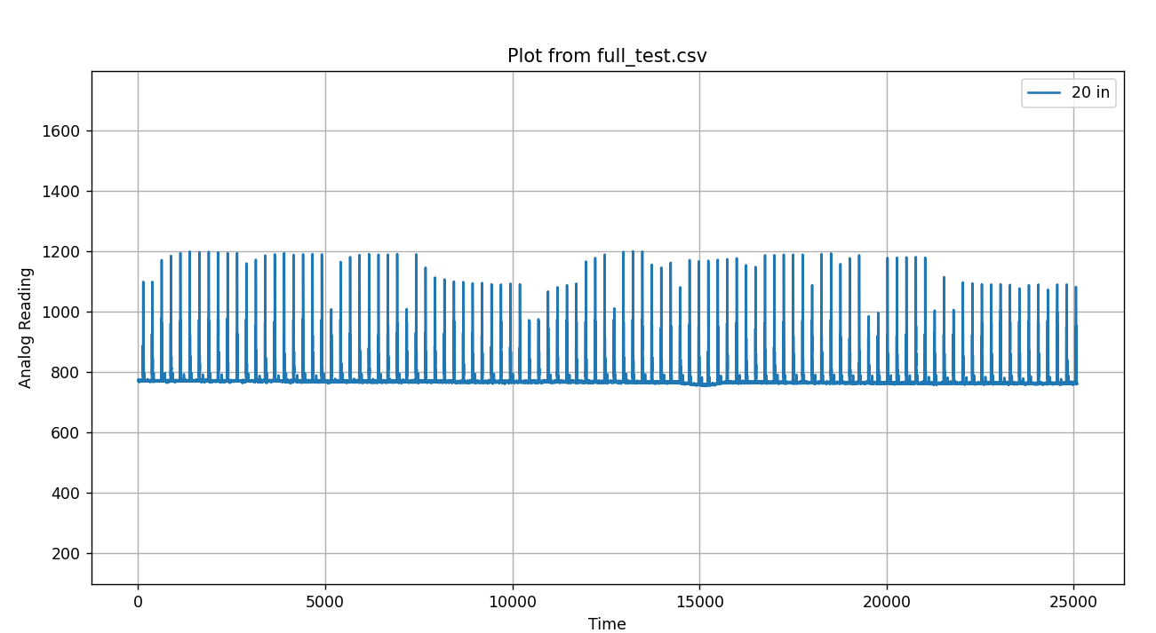

 | Close range readings

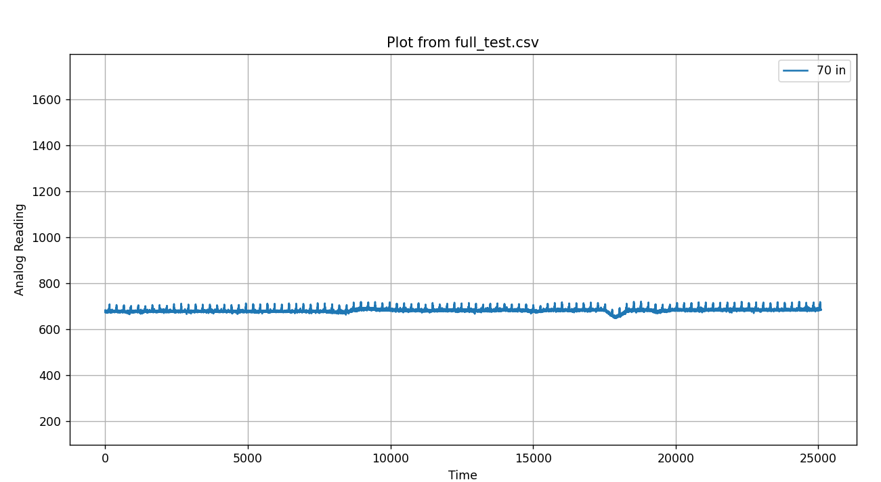
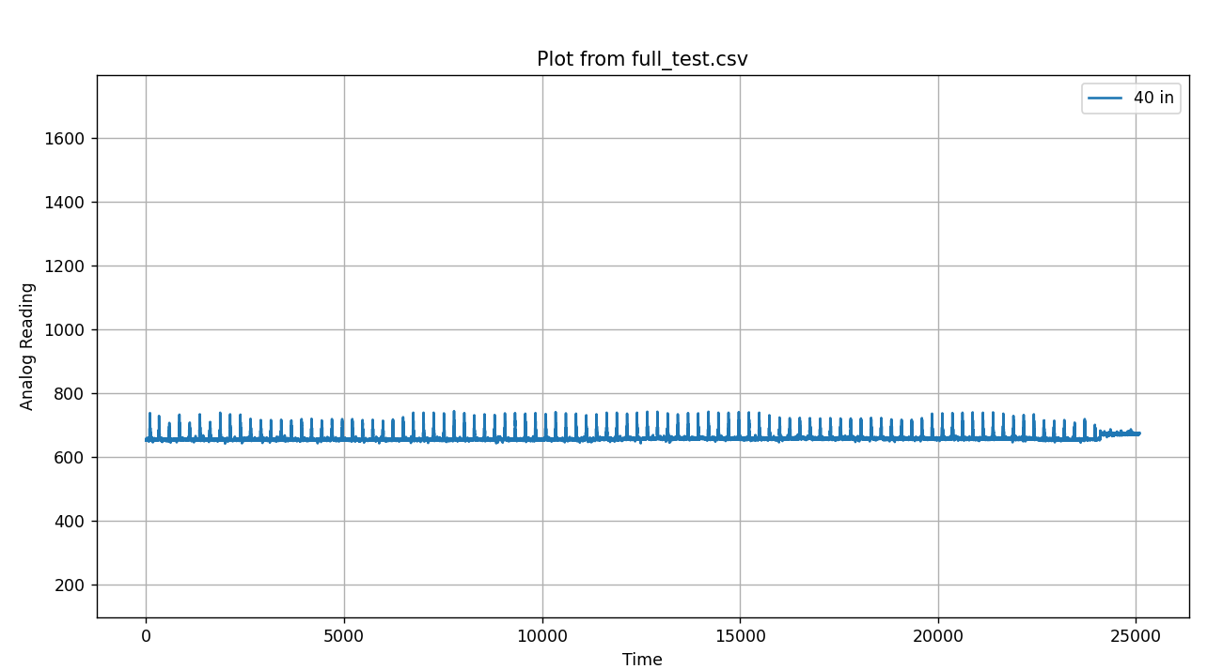
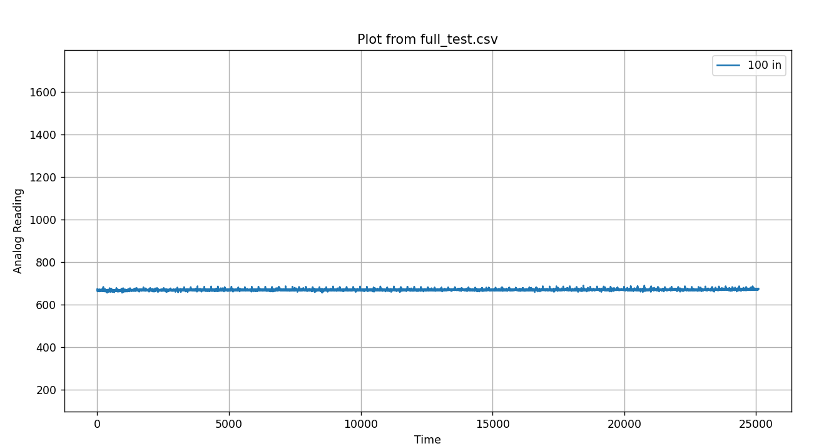

 | Long range readings

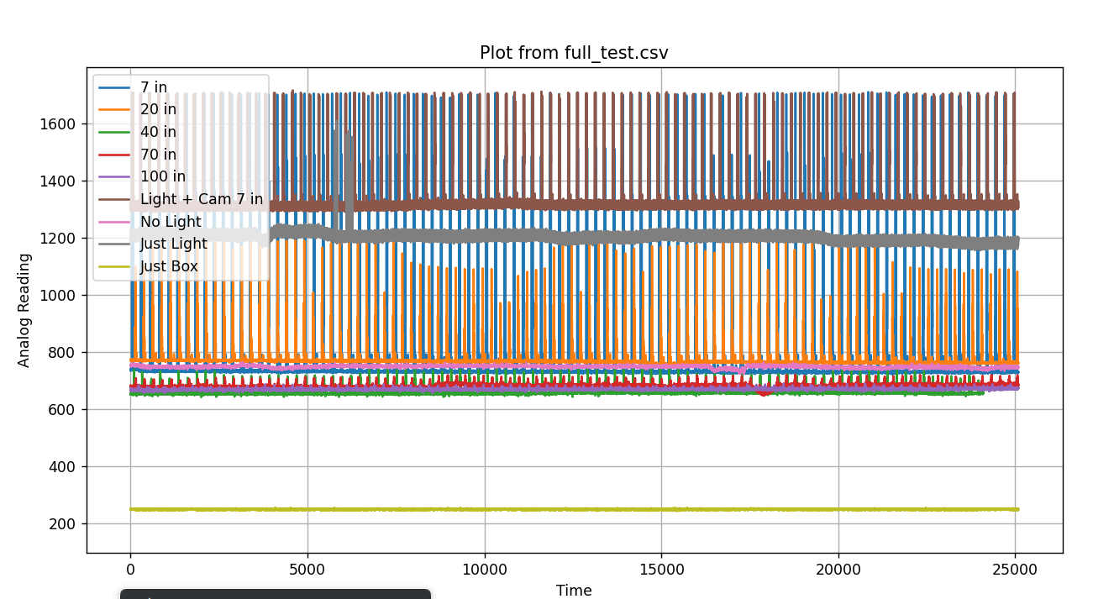
IR DATA Raw analog readings 3/08/2026

3262026 accuracy in lab testing
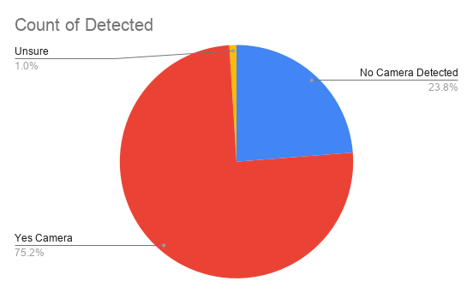
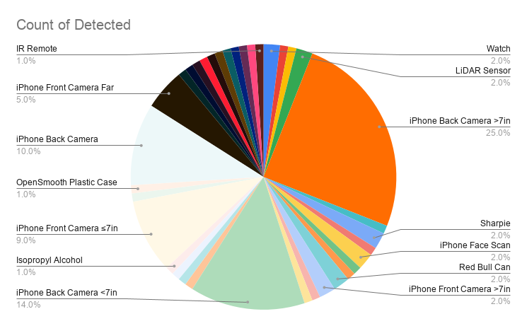
Run # | Object | Detected a camera? | Propper detection? | Notes | Type: | Number counted | Expeceted # | Expeceted % | user indication
1 | Human Hand | n | y |  | Totals | 101 | 95 | 94.06% | Diode (this case LED) lighting up
2 | Watch | n | y |  | iPhone Back Camera >7in | 25 | 25 | 100.00%
3 | Watch | n | y |  | iPhone Back Camera <7in | 14 | 14 | 100.00%
4 | Android Phone Camera | y | y | longer clock cycle than iphone | iPhone Back Camera Angles ≤20in | 10 | 10 | 100.00%
5 | HP OmniBook Camera | y | y | phynicy, may be angle | iPhone Front Camera ≤7in | 9 | 9 | 100.00%
6 | LiDAR Sensor | y | y |  | iPhone Front Camera Far | 5 | 5 | 100.00%
7 | LiDAR Sensor | y | y | Very storong | OpenSmooth | 4 | 4 | 100.00%
8 | iPhone Back Camera >7in | y | y |  | Watch | 2 | 2 | 100.00%
9 | Phone Flashlight | y | n | Expecterd | Remote | 2 | 1 | 50.00%
10 | Sharpie | n | y |  | Sharpie | 2 | 2 | 100.00%
11 | Drill (Operating) | y | n | may of shook components | Red Bull | 2 | 2 | 100.00%
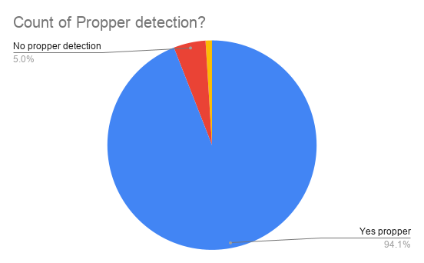
12 | iPhone Face Scan | n | y |  | Flashlight | 2 | 1 | 50.00%
13 | Apple Face ID | y | y | Very strong, bounced off Jordans face | LiDAR | 2 | 2 | 100.00%
14 | TV Remote | y | y |  | Kingroon K3SP | 2 | 2 | 100.00%
15 | Red Bull Can | n | y |  | Isopropyl Alcohol | 2 | 1 | 50.00%
16 | iPhone Back Camera >7in | y | y |  | iPhone Face Scan | 2 | 2 | 100.00%
17 | iPhone Front Camera >7in | y | y |  | iPhone Front Camera >7in | 2 | 2 | 100.00%
18 | iPhone Back Camera >7in | y | y |  | Human Hand | 2 | 2 | 100.00%
19 | iPhone Back Camera >7in | y | y |  | Unknown | 1 | 0 | 0.00%
20 | iPhone Back Camera >7in | y | y |  | Sweater | 1 | 1 | 100.00%
21 | iPhone Back Camera >7in | y | y |  | Paintbrush | 1 | 1 | 100.00%
22 | iPhone Back Camera >7in | y | y |  | Metal | 1 | 1 | 100.00%
23 | iPhone Back Camera >7in | y | y |  | HP OmniBook Camera | 1 | 1 | 100.00%
24 | iPhone Back Camera >7in | y | y |  | Heat Gun on Screwdriver | 1 | 1 | 100.00%
25 | iPhone Back Camera >7in | y | y |  | External Camera | 1 | 1 | 100.00%
26 | iPhone Back Camera >7in | y | y |  | Drill (Operating) | 1 | 0 | 0.00%
27 | iPhone Back Camera >7in | y | y |  | Apple Face ID | 1 | 1 | 100.00%
28 | Sharpie | n | y |  | Android Phone Camera | 1 | 1 | 100.00%
29 | Heat Gun on Screwdriver | n | y |  | Android Front Camera | 1 | 0 | 0.00%
30 | Android Front Camera | n | n | unsure | 3D Printed PLA Part | 1 | 1 | 100.00%
31 | iPhone Back Camera >7in | y | y
32 | iPhone Back Camera >7in | y | y
33 | iPhone Back Camera >7in | y | y
34 | iPhone Back Camera >7in | y | y
35 | iPhone Back Camera >7in | y | y
36 | iPhone Back Camera >7in | y | y
37 | iPhone Back Camera >7in | y | y
38 | iPhone Back Camera >7in | y | y
39 | iPhone Back Camera >7in | y | y
40 | iPhone Back Camera >7in | y | y
41 | iPhone Back Camera <7in | y | y
42 | iPhone Back Camera <7in | y | y
43 | iPhone Back Camera <7in | y | y
44 | iPhone Back Camera <7in | y | y
45 | iPhone Back Camera <7in | y | y
46 | 3D Printed PLA Part | n | y
47 | iPhone Back Camera <7in | y | y
48 | iPhone Back Camera <7in | y | y
49 | iPhone Back Camera <7in | y | y
50 | iPhone Back Camera <7in | y | y
51 | iPhone Back Camera <7in | y | y
52 | iPhone Back Camera <7in | y | y
53 | OpenSmooth Base | n | y
54 | Paintbrush | n | y
55 | Isopropyl Alcohol | y | n | Triggered from funneling sun rays (tested)
56 | Red Bull Can | n | y
57 | iPhone Front Camera >7in | y | y
58 | iPhone Front Camera ≤7in | y | y
59 | iPhone Back Camera >7in | y | y
60 | iPhone Back Camera >7in | y | y
61 | iPhone Back Camera >7in | y | y
62 | External Camera | y | y
63 | OpenSmooth Plastic Case | n | y
64 | iPhone Back Camera Angles ≤20in | y | y | Moved board on side for less sun interference
65 | iPhone Back Camera Angles ≤20in | y | y
66 | iPhone Back Camera Angles ≤20in | y | y
67 | iPhone Back Camera Angles ≤20in | y | y
68 | iPhone Back Camera Angles ≤20in | y | y
69 | iPhone Back Camera Angles ≤20in | y | y
70 | iPhone Back Camera Angles ≤20in | y | y
71 | iPhone Back Camera Angles ≤20in | y | y
72 | iPhone Back Camera Angles ≤20in | y | y
73 | iPhone Back Camera Angles ≤20in | y | y
74 | iPhone Front Camera Far | y | y
75 | iPhone Front Camera Far | y | y
76 | iPhone Front Camera Far | y | y
77 | iPhone Front Camera Far | y | y
78 | iPhone Front Camera Far | y | y
79 | Isopropyl Alcohol (After Movement) | n | y
80 | Human Hand | n | y
81 | Sweater | n | y
82 | Metal Gyroid Stand | n | y
83 | iPhone Front Camera ≤7in | y | y
84 | iPhone Front Camera ≤7in | y | y
85 | iPhone Front Camera ≤7in | y | y
86 | iPhone Front Camera ≤7in | y | y
87 | iPhone Front Camera ≤7in | y | y
88 | iPhone Front Camera ≤7in | y | y
89 | OpenSmooth Plastic Container | n | y
90 | Unknown Device (Possible Phone) | ? | ?
91 | OpenSmooth PETG | n | y | B
92 | iPhone Front Camera ≤7in | y | y
93 | iPhone Face Scan | y | y
94 | Flashlight | n | y
95 | iPhone Back Camera <7in | y | y
96 | Kingroon K3SP Pro (Bottom) | n | y
97 | Kingroon K3SP Pro (Side) | n | y
98 | iPhone Front Camera ≤7in | y | y
99 | IR Remote | n | n | expecetd because off ir pulse
100 | iPhone Back Camera <7in | y | y
101 | iPhone Back Camera <7in | y | y

Power draw
power draw graph
Supply | 2 Double A batteries | 2-3 Ah
Power draw | ESP | 63 mA
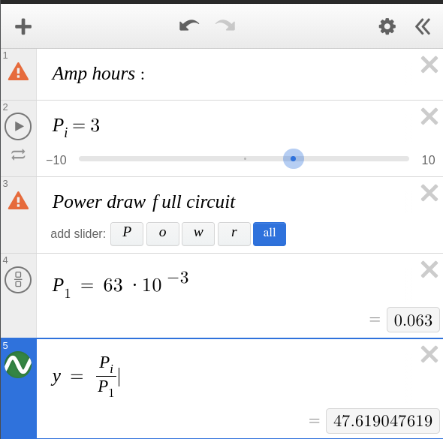
 | Rest of ircuit | minescew ( can be ignored)
 |  |  | Total power draw calculatoed is 47 Hours
 |  |  | Power draw may be inacurate due to a buck boost
 |  |  | Minimmum 30 hours battery life

